gráfico Markov e MTTF
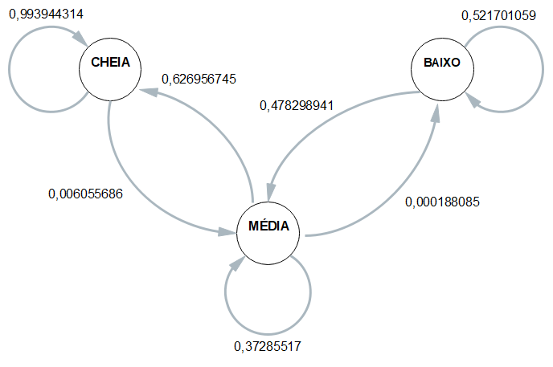
 | Esp1 | Esp2 | Esp3 | Esp4 | Média
CC | 0.99497487437 | 0.99193548387 | 0.99418604651 | 0.99468085106 | 0.99394431395
CM | 0.0050251256281 | 0.008064516129 | 0.0058139534884 | 0.0053191489362 | 0.0060556860454
CB | 0 | 0 | 0 | 0 | 0

MC | 0.6165158371 | 0.63822271798 | 0.63638080846 | 0.61670761671 | 0.62695674506
MM | 0.38329562594 | 0.36159137386 | 0.36343029845 | 0.3831033831 | 0.37285517034
MB | 0.00018853695324 | 0.00018590816137 | 0.00018889308651 | 0.000189000189 | 0.00018808459753

BC | 0 | 0 | 0 | 0 | 0
BM | 0.43010752688 | 0.4375 | 0.47058823529 | 0.575 | 0.47829894054
BB | 0.56989247312 | 0.5625 | 0.52941176471 | 0.425 | 0.52170105946

 | Esp1 | Esp2 | Esp3 | Esp4 |  | média
Hora Inicial | 17:24:08 | 17:28:21 | 17:34:27 | 17:39:29 |  | 17:31:36
Hora Limite 2,8 | 9:01:49 | 9:06:02 | 9:05:50 | 9:13:05 |  | 9:06:42
Hora final | 9:17:40 | 9:19:40 | 9:23:13 | 9:26:43 | MTTF | 9:21:49
total de horas até 2,8 | 8:22:19 | 8:22:19 | 8:28:37 | 8:26:24 | 8:24:55 | 8:24:55

